OBJ & PERTURBATION DESC
OBJECT DESCRIPTION

Object | Image | STL | Frame | Weight (g) | YELLOW INDICATES A GUESS
Petri Dish |  |  |  | 15.00
Marker w/ cap |  |  |  | 10.00
Marker Cap |  |  |  | 2.25
Kit w/ tab |  | 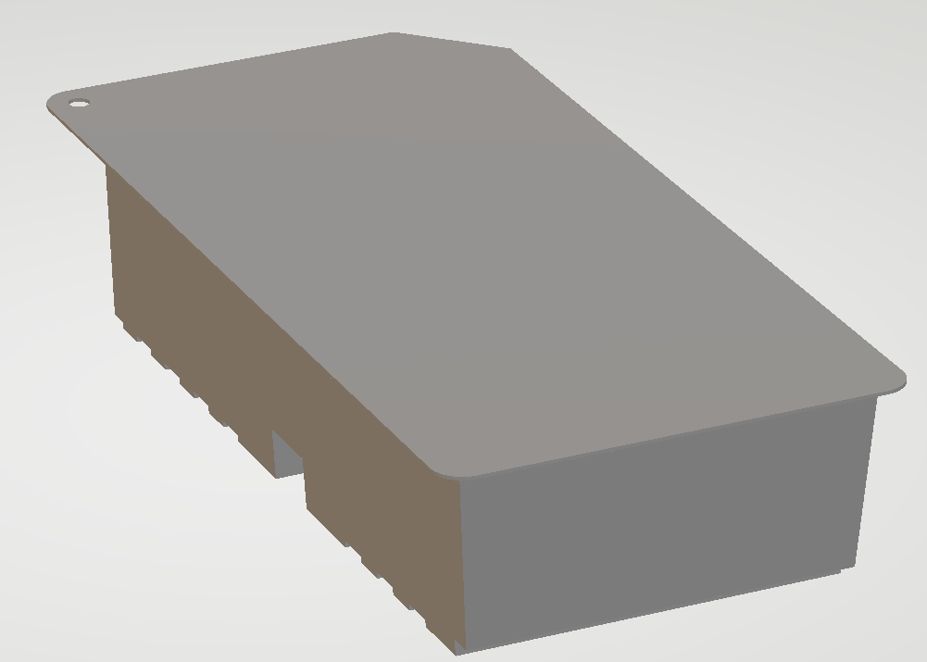 |  | 171.00
Kit Tab |  | 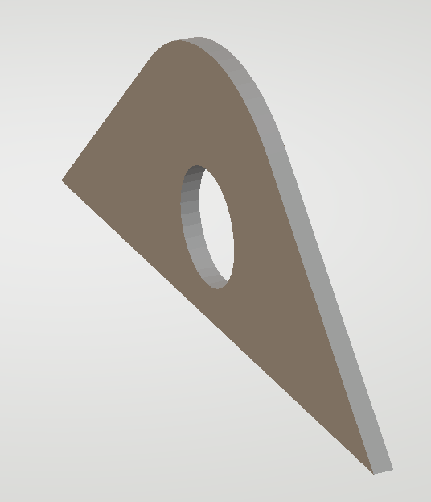 |  | 0.40
Cannister |  |  |  | 37.50
Tube |  |  |  | 31.00 | full length weight
Needle w/ cap |  |  |  | 10.50
Needle Cap |  |  |  | 1.00
Rinse Glass K |  |  |  | 562.00
Red Plug |  | 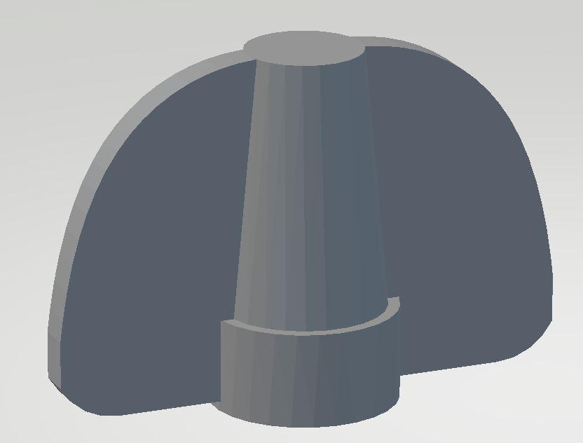 |  | 0.75
Glass Vial |  |  |  | 15.00
Yellow Plug |  |  |  | 1.00
Tube Clamp |  |  |  | 4.00
Scissors |  |  |  | 60.50
FORCE DESCRIPTION

Object | Action | magnitude(N) | gravity constant | 9.8066500286 | INDICATES A GUESS
Petri Dish | be written on by marker | 2.47 |  |  | SAME MAGNITUDE THAT IS APPLIED TO THE COMPLEMENT OF THE TASK
Marker | remove cap | 23.00
 | put cap | 34.44
 | write | 2.47
Kit | open | 20.00
Cannister | insert into holder | 87.17
 | remove from holder | 110.00
 | insert red plug | 35.94
 | remove red plug | 23.00
 | insert yellow plug | 2.32
 | insert tube | 45.68
Tube | be cutted by scissors | 55.00
 | be inserted onto cannister | 45.68
 | be pinched by clamp | 40.78
Needle | remove cap | 9.40
 | pierce rinse glass | 23.43
 | be removed from rinse glass | 11.00
Rinse Glass K | be pierced by needle | 23.43
 | have needle removed | 11.00
Red Plug | be inserted onto cannister | 35.94
 | be removed from cannister | 23.00
Glass Vial | brake open | 30.00
Yellow Plug | be inserted onto cannister | 2.32
Tube Clamp | clamp tube | 40.78
 | unclamp tube | 6.20
Scissors | cut tube | 55.00
FORCE FOR ANALYSIS

Object | Distinct Events | W | dir | pos | P1 | dir | pos (cm) | P2 | dir | pos (cm) | copy and paste for raw_forces.txt
Petri | hold | -0.147 | W | com |  |  |  |  |  |  | "Petri-hold":[[-0.147099750429584,"W","com"]],
Petri | write | -0.147 | Z | com | -2.465 | Z | 3,3,1.5 |  |  |  | "Petri-write":[[-0.147099750429584,"Z","com"],[-2.46539181719982,"Z",3,3,1.5]],
Marker | hold | 0.098 | W | com |  |  |  |  |  |  | "Marker-hold":[[0.098066500286389,"W","com"]],
Marker | uncap | 0.098 | Y | com | -23.000 | Z | 0,0,0 |  |  |  | "Marker-uncap":[[0.098066500286389,"Y","com"],[-23,"Z",0,0,0]],
Marker | recap | 0.098 | Y | com | 34.436 | Z | 0,0,0 |  |  |  | "Marker-recap":[[0.098066500286389,"Y","com"],[34.4360515755655,"Z",0,0,0]],
Marker | write | -0.098 | Z | com | 2.465 | Z | 0,0,0 |  |  |  | "Marker-write":[[-0.098066500286389,"Z","com"],[2.46539181719982,"Z",0,0,0]],
Marker_Cap | hold | 0.022 | W | com |  |  |  |  |  |  | "Marker_Cap-hold":[[0.0220649625644375,"W","com"]],
Marker_Cap | uncap | 0.022 | Y | com | 23.000 | Z | 0,0,0 |  |  |  | "Marker_Cap-uncap":[[0.0220649625644375,"Y","com"],[23,"Z",0,0,0]],
Marker_Cap | recap | 0.022 | Y | com | -34.436 | Z | 0,0,0 |  |  |  | "Marker_Cap-recap":[[0.0220649625644375,"Y","com"],[-34.4360515755655,"Z",0,0,0]],
Kit | hold | -1.677 | W | com |  |  |  |  |  |  | "Kit-hold":[[-1.67693715489725,"W","com"]],
Kit | open | -1.677 | Z | com | 20.000 | Z | 6,13,0 |  |  |  | "Kit-open":[[-1.67693715489725,"Z","com"],[20,"Z",6,13,0]],
Kit_Tab | hold | -0.004 | Z | com |  |  |  |  |  |  | "Kit_Tab-hold":[[-0.00392266001145556,"Z","com"]],
Kit_Tab | open | -0.004 | Z | com | -20.000 | Z | 0,0,1 |  |  |  | "Kit_Tab-open":[[-0.00392266001145556,"Z","com"],[-20,"Z",0,0,1]],
Canister | hold | -0.368 | W | com |  |  |  |  |  |  | "Canister-hold":[[-0.367749376073959,"W","com"]],
Canister | insert | -0.368 | Z | com | 87.166 | Z | 0,0,0 |  |  |  | "Canister-insert":[[-0.367749376073959,"Z","com"],[87.1664087795569,"Z",0,0,0]],
Canister | remove | -0.368 | Z | com | -110.000 | Z | 0,0,0 |  |  |  | "Canister-remove":[[-0.367749376073959,"Z","com"],[-110,"Z",0,0,0]],
Tube | hold | 0.304 | W | com |  |  |  |  |  |  | "Tube-hold":[[0.304006150887806,"W","com"]],
Tube | insert | 0.304 | Z | com | 45.679 | Z | 0,0,0 |  |  |  | "Tube-insert":[[0.304006150887806,"Z","com"],[45.6793758334,"Z",0,0,0]],
Needle | uncap | 0.103 | Y | com | -9.400 | Z | 0,0,5 |  |  |  | "Needle-uncap":[[0.102969825300708,"Y","com"],[-9.4,"Z",0,0,5]],
Needle | hold | -0.103 | W | com |  |  |  |  |  |  | "Needle-hold":[[-0.102969825300708,"W","com"]],
Needle | pierce | -0.103 | Z | com | 23.428 | Z | 0,0,0 |  |  |  | "Needle-pierce":[[-0.102969825300708,"Z","com"],[23.4280869184183,"Z",0,0,0]],
Needle | unpierce | -0.103 | Z | com | -11.000 | Z | 0,0,0 |  |  |  | "Needle-unpierce":[[-0.102969825300708,"Z","com"],[-11,"Z",0,0,0]],
Needle | hold horizontal | 0.103 | X | com |  |  |  |  |  |  | "Needle-hold horizontal":[[0.102969825300708,"X","com"]],
Needle_Cap | uncap | 0.010 | Y | com | 9.400 | Z | 0,0,5 |  |  |  | "Needle_Cap-uncap":[[0.00980665002863889,"Y","com"],[9.4,"Z",0,0,5]],
Rinse_Glass | hold | -5.511 | W | com |  |  |  |  |  |  | "Rinse_Glass-hold":[[-5.51133731609506,"W","com"]],
Red_Plug | hold | -0.007 | W | com |  |  |  |  |  |  | "Red_Plug-hold":[[-0.00735498752147918,"W","com"]],
Red_Plug | insert | -0.007 | Z | com | -35.936 | Z | 0,0,0 |  |  |  | "Red_Plug-insert":[[-0.00735498752147918,"Z","com"],[-35.9364690299472,"Z",0,0,0]],
Red_Plug | remove | -0.007 | Z | com | 23.000 | Z | 0,0,0 |  |  |  | "Red_Plug-remove":[[-0.00735498752147918,"Z","com"],[23,"Z",0,0,0]],
Glass_Vial | hold | -0.147 | Z | com |  |  |  |  |  |  | "Glass_Vial-hold":[[-0.147099750429584,"Z","com"]],
Glass_Vial | open | -0.147 | Z | com | -30.000 | X | 0,0,9 |  |  |  | "Glass_Vial-open":[[-0.147099750429584,"Z","com"],[-30,"X",0,0,9]],
Yellow_Plug | hold | -0.010 | W | com |  |  |  |  |  |  | "Yellow_Plug-hold":[[-0.0098066500286389,"W","com"]],
Yellow_Plug | insert | 0.010 | Z | com | 2.319 | Z | 0,0,0 |  |  |  | "Yellow_Plug-insert":[[0.0098066500286389,"Z","com"],[2.3192727317731,"Z",0,0,0]],
Tube_Clamp | hold | -0.039 | W | com |  |  |  |  |  |  | "Tube_Clamp-hold":[[-0.0392266001145556,"W","com"]],
Tube_Clamp | clamp | -0.039 | Z | com | 40.776 | Y | -0.75,0.6,1.2 |  |  |  | "Tube_Clamp-clamp":[[-0.0392266001145556,"Z","com"],[40.7760508190806,"Y",-0.75,0.6,1.2]],
Tube_Clamp | unclamp | -0.039 | Z | com | 3.100 | Y | -0.75,1,2 | -3.1 | Z | -0.75,1,2 | "Tube_Clamp-unclamp":[[-0.0392266001145556,"Z","com"],[3.1,"Y",-0.75,1,2],[-3.1,"Z",-0.75,1,2]],
Scissors | hold | 0.593 | W | com |  |  |  |  |  |  | "Scissors-hold":[[0.593302326732653,"W","com"]],
Scissors | cut | 0.593 | Y | com | -55.000 | Y | 0.15,0.8,2 |  |  |  | "Scissors-cut":[[0.593302326732653,"Y","com"],[-55,"Y",0.15,0.8,2]],

FORCE - PERTURBATION
FORCE | IMAGE | DESCRIPTION | VECTOR | REQUIRED | ALL GRASPS | LIMIT | 20 | N
Force Required to Perform each Task
 | REQUIRED | ALL GRASPS | LIMIT
marker_cap-hold_-X | 0.007 | 0.021 | 20
marker_cap-hold_-Z | 0.014 | 0.05 | 20
marker_cap-hold_Z | 0.019 | 0.04 | 20
marker_cap-hold_X | 0.029 | 0.096 | 20
marker_cap-hold_Y | 0.029 | 0.135 | 20
petri-hold_X | 0.029 | 0.248 | 20
marker_cap-hold_-Y | 0.031 | 0.19 | 20
marker-hold_-X | 0.033 | 0.312 | 20
petri-hold_-Z | 0.033 | 0.626 | 20
petri-hold_Z | 0.04 | 0.961 | 20
marker-hold_Y | 0.043 | 0.617 | 20
petri-hold_-X | 0.055 | 0.25 | 20
marker-hold_X | 0.06 | 0.76 | 20
petri-hold_Y | 0.062 | 0.787 | 20
marker-hold_Z | 0.085 | 0.2 | 20
marker-hold_-Z | 0.085 | 0.208 | 20
marker-hold_-Y | 0.092 | 1.001 | 20
petri-hold_-Y | 0.129 | 1.71 | 20
petri-write | 0.338 | 11.117 | 20
marker-write | 2.05 | 4.831 | 20
marker-uncap | 19.983 | 48.832 | 20
marker_cap-uncap | 20.318 | 41.818 | 20
marker_cap-recap | 22.551 | 78.621 | 20
marker-recap | 29.815 | 70.278 | 20
marker_cap-hold_-X | 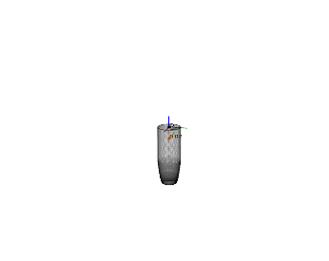 | [[0.022, 'W', 'com']] | [-0.022, 0.0, 0.0, 0.0, 0.0, 0.0] | 0.007 | 0.021 | 20
marker_cap-hold_-Z | 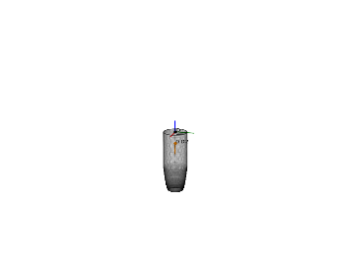 | [[0.022, 'W', 'com']] | [0.0, 0.0, -0.022, 0.0, 0.0, 0.0] | 0.014 | 0.05 | 20
marker_cap-hold_Z | 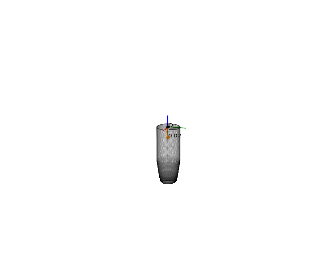 | [[0.022, 'W', 'com']] | [0.0, 0.0, 0.022, 0.0, 0.0, 0.0] | 0.019 | 0.04 | 20
marker_cap-hold_X | 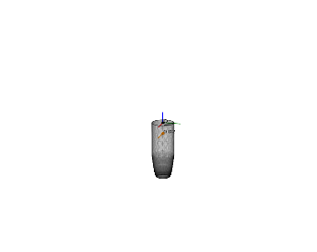 | [[0.022, 'W', 'com']] | [0.022, 0.0, 0.0, 0.0, 0.0, 0.0] | 0.029 | 0.096 | 20
marker_cap-hold_Y | 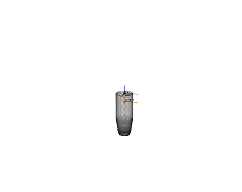 | [[0.022, 'W', 'com']] | [0.0, 0.022, 0.0, 0.0, 0.0, 0.0] | 0.029 | 0.135 | 20
petri-hold_X | 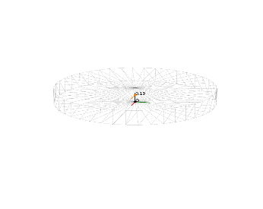 | [[-0.147, 'W', 'com']] | [0.147, 0.0, 0.0, 0.0, 0.0, 0.0] | 0.029 | 0.248 | 20
marker_cap-hold_-Y | 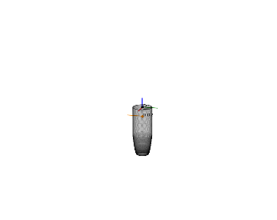 | [[0.022, 'W', 'com']] | [0.0, -0.022, 0.0, 0.0, 0.0, 0.0] | 0.031 | 0.19 | 20
marker-hold_-X |  | [[0.098, 'W', 'com']] | [-0.098, 0.0, 0.0, 0.0, 0.0, 0.0] | 0.033 | 0.312 | 20
petri-hold_-Z |  | [[-0.147, 'W', 'com']] | [0.0, 0.0, -0.147, 0.0, 0.0, 0.0] | 0.033 | 0.626 | 20
petri-hold_Z | 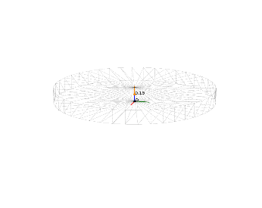 | [[-0.147, 'W', 'com']] | [0.0, 0.0, 0.147, 0.0, 0.0, 0.0] | 0.04 | 0.961 | 20
marker-hold_Y |  | [[0.098, 'W', 'com']] | [0.0, 0.098, 0.0, 0.0, 0.0, 0.0] | 0.043 | 0.617 | 20
petri-hold_-X |  | [[-0.147, 'W', 'com']] | [-0.147, 0.0, 0.0, 0.0, 0.0, 0.0] | 0.055 | 0.25 | 20
marker-hold_X |  | [[0.098, 'W', 'com']] | [0.098, 0.0, 0.0, 0.0, 0.0, 0.0] | 0.06 | 0.76 | 20
petri-hold_Y | 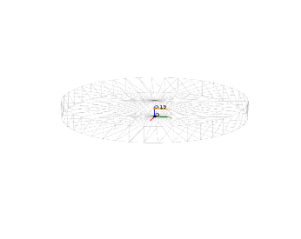 | [[-0.147, 'W', 'com']] | [0.0, 0.147, 0.0, 0.0, 0.0, 0.0] | 0.062 | 0.787 | 20
marker-hold_Z |  | [[0.098, 'W', 'com']] | [0.0, 0.0, 0.098, 0.0, 0.0, 0.0] | 0.085 | 0.2 | 20
marker-hold_-Z |  | [[0.098, 'W', 'com']] | [0.0, 0.0, -0.098, 0.0, 0.0, 0.0] | 0.085 | 0.208 | 20
marker-hold_-Y |  | [[0.098, 'W', 'com']] | [0.0, -0.098, 0.0, 0.0, 0.0, 0.0] | 0.092 | 1.001 | 20
petri-hold_-Y | 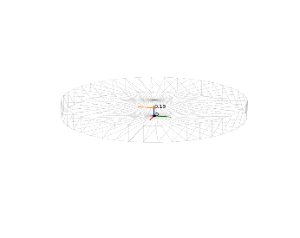 | [[-0.147, 'W', 'com']] | [0.0, -0.147, 0.0, 0.0, 0.0, 0.0] | 0.129 | 1.71 | 20
petri-write | 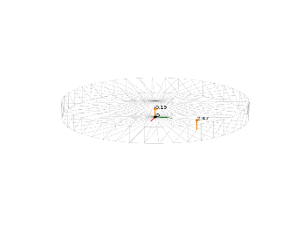 | [[-0.147, 'Z', 'com'], [-2.465, 'Z', 3, 3, 1.5]] | [0.0, 0.0, -2.612, -0.074, 0.074, 0.0] | 0.338 | 11.117 | 20 |  |  | 0.078
marker-write |  | [[-0.098, 'Z', 'com'], [2.465, 'Z', 0, 0, 0]] | [0.0, 0.0, 2.367, 0.0, 0.0, 0.0] | 2.05 | 4.831 | 20
marker-uncap |  | [[0.098, 'Y', 'com'], [-23, 'Z', 0, 0, 0]] | [0.0, 0.098, -23.0, 0.0, 0.0, 0.0] | 19.983 | 48.832 | 20
marker_cap-uncap | 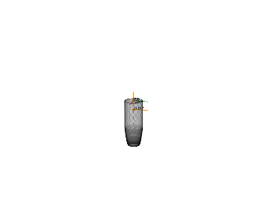 | [[0.022, 'Y', 'com'], [23, 'Z', 0, 0, 0]] | [0.0, 0.022, 23.0, 0.0, 0.0, 0.0] | 20.318 | 41.818 | 20
marker_cap-recap | 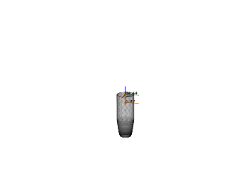 | [[0.022, 'Y', 'com'], [-34.436, 'Z', 0, 0, 0]] | [0.0, 0.022, -34.436, 0.0, 0.0, 0.0] | 22.551 | 78.621 | 20
marker-recap |  | [[0.098, 'Y', 'com'], [34.436, 'Z', 0, 0, 0]] | [0.0, 0.098, 34.436, 0.0, 0.0, 0.0] | 29.815 | 70.278 | 20

FORCE - OBJ
Force Required to utilize each Object
OBJ | IMAGE | REQUIRED | ALL TASK / GRASPS LIMITED | ALL TASKS w/ ALL GRASPS | LIMIT | 30 | N
PETRI |  | 0.029 | 0.338 | 11.117 | 30
MARKER CAP |  | 0.007 | 22.551 | 78.621 | 30
MARKER |  | 0.033 | 29.815 | 70.278 | 30

